Currency
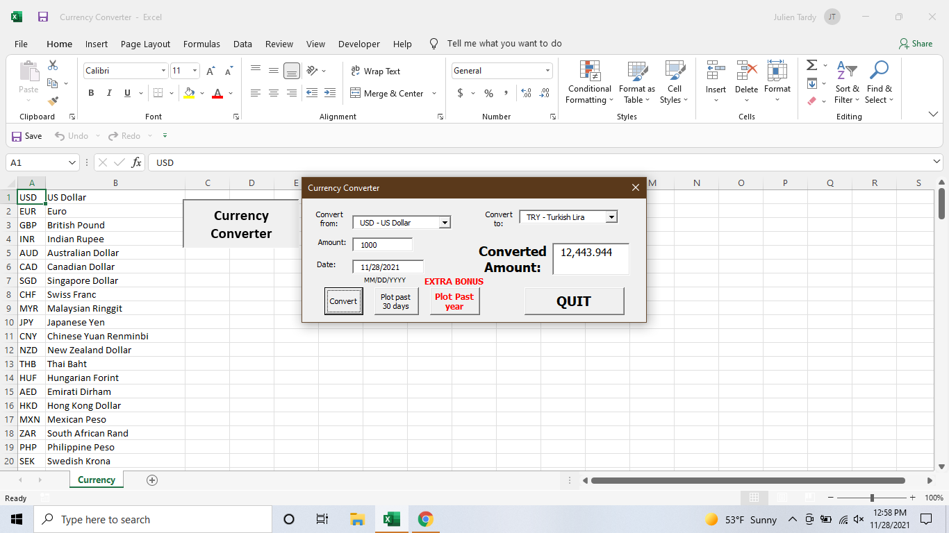
USD | US Dollar
EUR | Euro
GBP | British Pound
INR | Indian Rupee
AUD | Australian Dollar
CAD | Canadian Dollar
SGD | Singapore Dollar
CHF | Swiss Franc
MYR | Malaysian Ringgit
JPY | Japanese Yen
CNY | Chinese Yuan Renminbi
NZD | New Zealand Dollar
THB | Thai Baht
HUF | Hungarian Forint
AED | Emirati Dirham
HKD | Hong Kong Dollar
MXN | Mexican Peso
ZAR | South African Rand
PHP | Philippine Peso
SEK | Swedish Krona
IDR | Indonesian Rupiah
BRL | Brazilian Real
SAR | Saudi Arabian Riyal
TRY | Turkish Lira
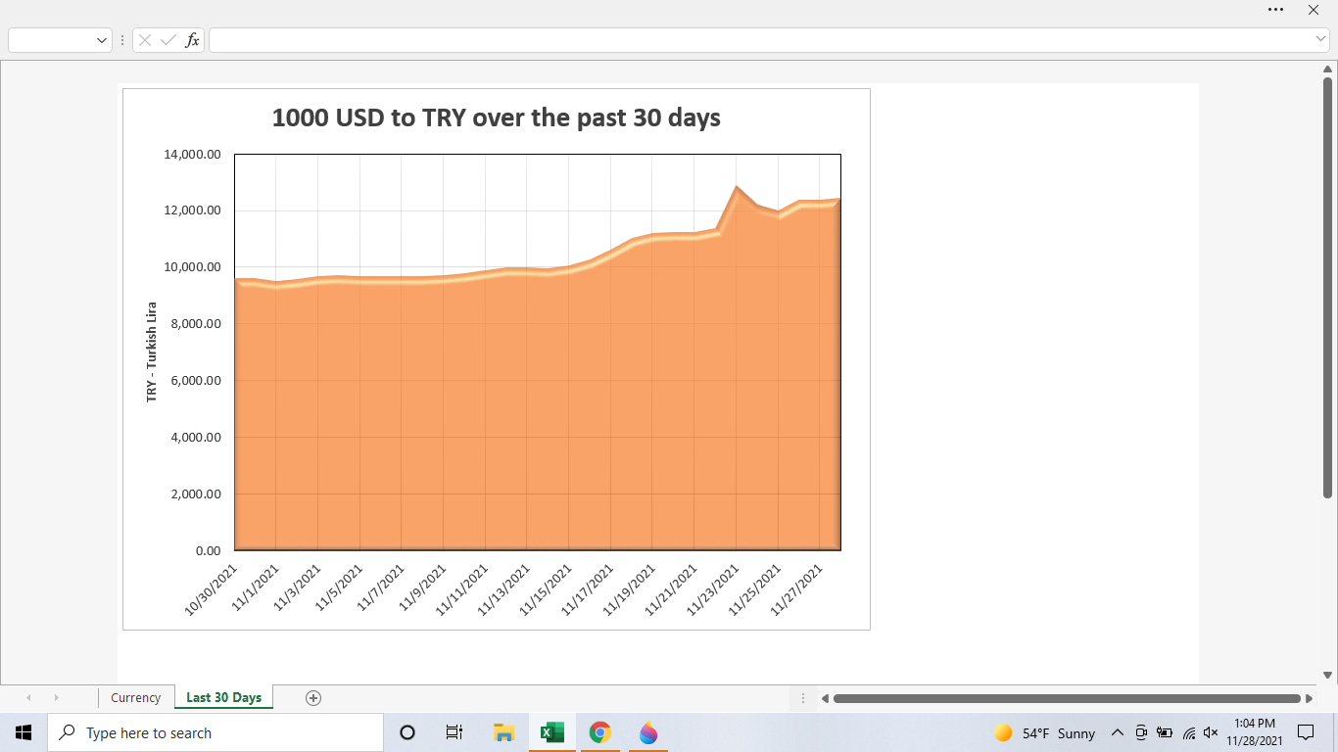
KES | Kenyan Shilling
KRW | South Korean Won
EGP | Egyptian Pound
IQD | Iraqi Dinar
NOK | Norwegian Krone
KWD | Kuwaiti Dinar
RUB | Russian Ruble
DKK | Danish Krone
PKR | Pakistani Rupee
ILS | Israeli Shekel
PLN | Polish Zloty
QAR | Qatari Riyal
XAU | Gold Ounce
OMR | Omani Rial
COP | Colombian Peso
CLP | Chilean Peso
TWD | Taiwan New Dollar
ARS | Argentine Peso
CZK | Czech Koruna
VND | Vietnamese Dong
MAD | Moroccan Dirham
JOD | Jordanian Dinar
BHD | Bahraini Dinar
XOF | CFA Franc
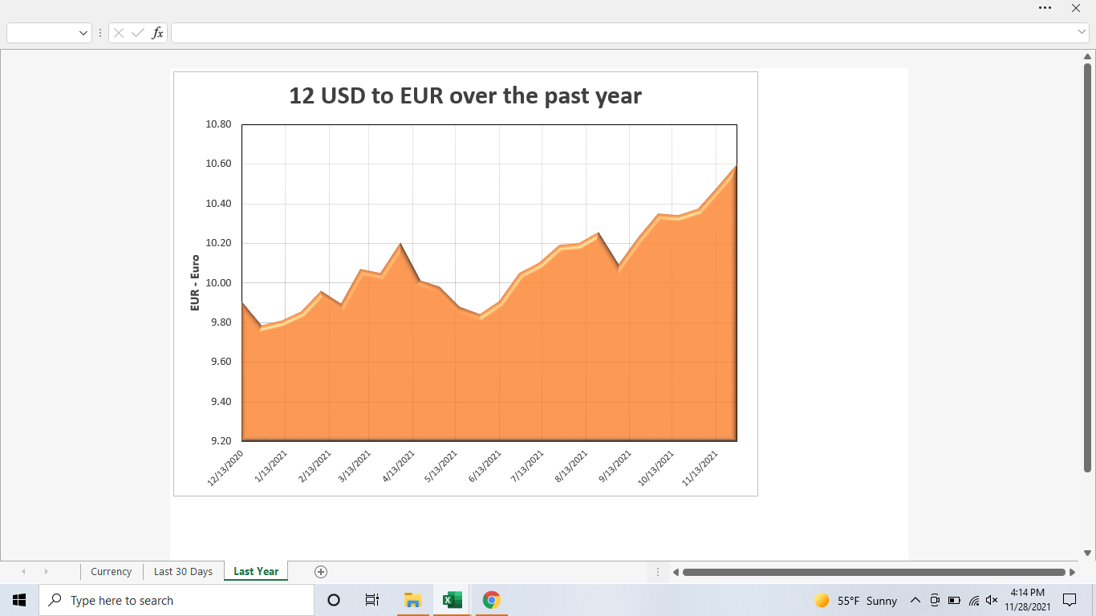
LKR | Sri Lankan Rupee
UAH | Ukrainian Hryvnia
NGN | Nigerian Naira
TND | Tunisian Dinar
UGX | Ugandan Shilling
RON | Romanian Leu
BDT | Bangladeshi Taka
PEN | Peruvian Sol
GEL | Georgian Lari
XAF | Central African CFA Franc BEAC
FJD | Fijian Dollar
VEF | Venezuelan Bolívar
VES | Venezuelan Bolívar
BYN | Belarusian Ruble
HRK | Croatian Kuna
UZS | Uzbekistani Som
BGN | Bulgarian Lev
DZD | Algerian Dinar
IRR | Iranian Rial
DOP | Dominican Peso
ISK | Icelandic Krona
CRC | Costa Rican Colon
XAG | Silver Ounce
SYP | Syrian Pound
JMD | Jamaican Dollar
LYD | Libyan Dinar
GHS | Ghanaian Cedi
MUR | Mauritian Rupee
AOA | Angolan Kwanza
UYU | Uruguayan Peso
AFN | Afghan Afghani
LBP | Lebanese Pound
XPF | CFP Franc
TTD | Trinidadian Dollar
TZS | Tanzanian Shilling
ALL | Albanian Lek
XCD | East Caribbean Dollar
GTQ | Guatemalan Quetzal
NPR | Nepalese Rupee
BOB | Bolivian Bolíviano
ZWD | Zimbabwean Dollar
BBD | Barbadian or Bajan Dollar
CUC | Cuban Convertible Peso
LAK | Lao Kip
BND | Bruneian Dollar
BWP | Botswana Pula
HNL | Honduran Lempira
PYG | Paraguayan Guarani
ETB | Ethiopian Birr
NAD | Namibian Dollar
PGK | Papua New Guinean Kina
SDG | Sudanese Pound
MOP | Macau Pataca
BMD | Bermudian Dollar
NIO | Nicaraguan Cordoba
BAM | Bosnian Convertible Mark
KZT | Kazakhstani Tenge
PAB | Panamanian Balboa
GYD | Guyanese Dollar
YER | Yemeni Rial
MGA | Malagasy Ariary
KYD | Caymanian Dollar
MZN | Mozambican Metical
RSD | Serbian Dinar
SCR | Seychellois Rupee
AMD | Armenian Dram
AZN | Azerbaijan Manat
SBD | Solomon Islander Dollar
SLL | Sierra Leonean Leone
TOP | Tongan Pa'anga
BZD | Belizean Dollar
GMD | Gambian Dalasi
MWK | Malawian Kwacha
BIF | Burundian Franc
HTG | Haitian Gourde
SOS | Somali Shilling
GNF | Guinean Franc
MNT | Mongolian Tughrik
MVR | Maldivian Rufiyaa
CDF | Congolese Franc
STN | Sao Tomean Dobra
TJS | Tajikistani Somoni
KPW | North Korean Won
KGS | Kyrgyzstani Som
LRD | Liberian Dollar
LSL | Basotho Loti
MMK | Burmese Kyat
GIP | Gibraltar Pound
XPT | Platinum Ounce
MDL | Moldovan Leu
CUP | Cuban Peso
KHR | Cambodian Riel
MKD | Macedonian Denar
VUV | Ni-Vanuatu Vatu
ANG | Dutch Guilder
MRU | Mauritanian Ouguiya
SZL | Swazi Lilangeni
CVE | Cape Verdean Escudo
SRD | Surinamese Dollar
SVC | Salvadoran Colon
XPD | Palladium Ounce
BSD | Bahamian Dollar
XDR | IMF Special Drawing Rights
RWF | Rwandan Franc
AWG | Aruban or Dutch Guilder
BTN | Bhutanese Ngultrum
DJF | Djiboutian Franc
KMF | Comorian Franc
ERN | Eritrean Nakfa
FKP | Falkland Island Pound
SHP | Saint Helenian Pound
SPL | Seborgan Luigino
WST | Samoan Tala
JEP | Jersey Pound
TMT | Turkmenistani Manat
GGP | Guernsey Pound
IMP | Isle of Man Pound
TVD | Tuvaluan Dollar
ZMW | Zambian Kwacha
CLF | CLF
CNH | CNH
MXV | MXV
XBT | Bitcoin

Past 5 Years
1 USD to VND from Feb 2 2017 to Dec 2 2021
2/2/2017 | 22,656.60
4/2/2017 | 22,749.00
6/2/2017 | 22,702.82
8/2/2017 | 22,730.65
10/2/2017 | 22,726.32
12/2/2017 | 22,704.06
2/2/2018 | 22,714.12
4/2/2018 | 22,796.18
6/2/2018 | 22,795.28
8/2/2018 | 23,251.07
10/2/2018 | 23,324.68
12/2/2018 | 23,317.63
2/2/2019 | 23,205.09
4/2/2019 | 23,200.91
6/2/2019 | 23,364.75
8/2/2019 | 23,208.09
10/2/2019 | 23,204.50
12/2/2019 | 23,180.46
2/2/2020 | 23,214.91
4/2/2020 | 23,663.50
6/2/2020 | 23,282.95
8/2/2020 | 23,214.89
10/2/2020 | 23,180.67
12/2/2020 | 23,107.25
2/2/2021 | 23,114.21
4/2/2021 | 23,073.32
6/2/2021 | 23,042.07
8/2/2021 | 22,985.91
10/2/2021 | 22,759.47
12/2/2021 | 22,692.02

